Layout_List_Student
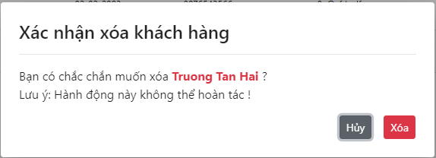
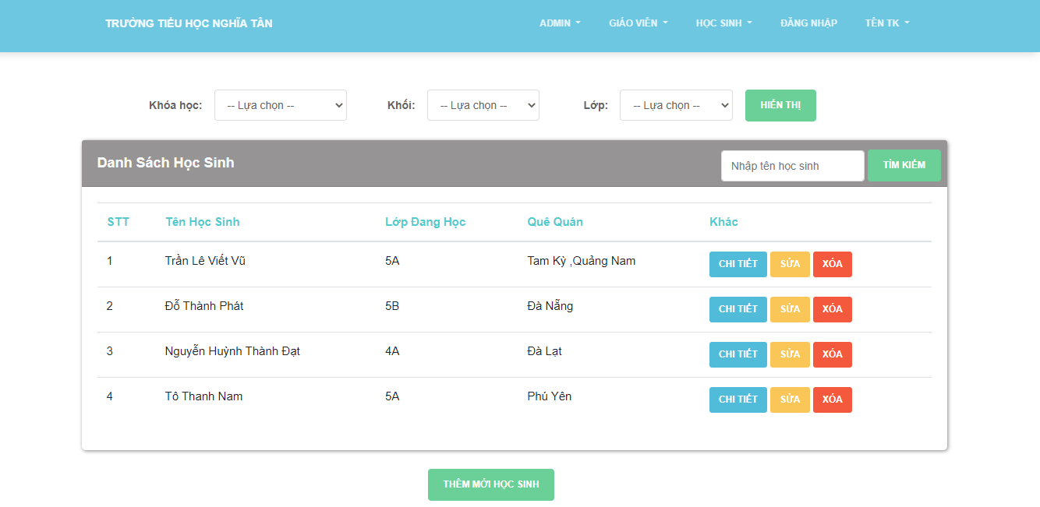
6.3.1.4 Màn hình sửa thông tin khách hàng

6.3.1.2 Màn hình xóa khách hàng

Layout_Search_Student
